Marketing Material

2018 Sales Materials
Education Brochure |  | External Link
8560 | GNHH2ZTHH_18 BROCHURE - 2018 EDUCATIONAL - Generic - ENGLISH | http://apps.humana.com/marketing/documents.asp?file=3134248
8560 | GNHH2ZTSP_18 BROCHURE - 2018 EDUCATIONAL - Generic - SPANISH | http://apps.humana.com/marketing/documents.asp?file=3160417
8560 | GNHH2ZTSPPR_18 BROCHURE - 2018 EDUCATIONAL - Generic - PUERTO RICO SPANISH | http://apps.humana.com/marketing/documents.asp?file=3148535
Education PPT
8560 | GHHHWZDEN_18 PRESENTATION - 2018 EDUCATION PRESENTATION, Individual Medicare | http://apps.humana.com/marketing/documents.asp?file=3119831
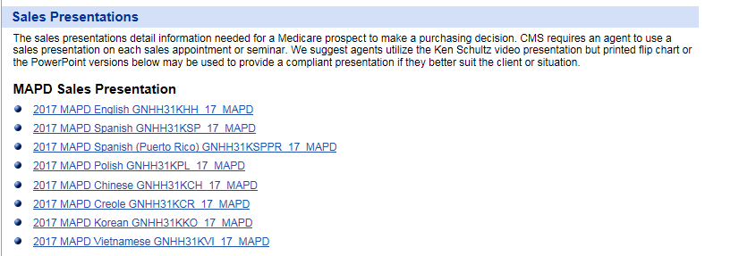
8560 | GHHHWZDSP_18 PRESENTATION - 2018 EDUCATION PRESENTATION SPANISH, Individual Medicare | http://apps.humana.com/marketing/documents.asp?file=3160430
Sales PPT
8562 | GNHH31KHH_18 PRESENTATION - 2018 SALES, MAPD ENGLISH, Individual Medicare | http://apps.humana.com/marketing/documents.asp?file=3136406
8562 | GNHH31KSP_18 PRESENTATION - 2018 SALES, MAPD SPANISH, Individual Medicare | Coming soon
8562 | GNHH31KSPPR_18 PRESENTATION - 2018 SALES, MAPD PUERTO RICO SPANISH, Individual Medicare | Coming soon
8562 | GNHH31KPL_18 PRESENTATION - 2018 SALES, MAPD POLISH Individual Medicare | Coming soon
8562 | GNHH31KCR_18 PRESENTATION - 2018 SALES, MAPD CREOLE, Individual Medicare | Coming soon
8562 | GNHH31KCH_18 PRESENTATION - 2018 SALES, MAPD CHINESE, Individual Medicare | Coming soon
8562 | GNHH31KKO_18 PRESENTATION - 2018 SALES, MAPD KOREAN, Individual Medicare | Coming soon | Sales Presentation Video | http://media.humana.com/Medicare2018/
8562 | GNHH31KVI_18 PRESENTATION - 2018 SALES, MAPD VIETNAMESE, Individual Medicare | Coming soon
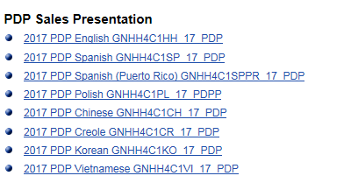
8562 | GNHH4C1HH_18 PRESENTATION - 2018 SALES, PDP ENGLISH, Individual Medicare | http://apps.humana.com/marketing/documents.asp?file=3136406
8562 | GNHH4C1SP_18 PRESENTATION - 2018 SALES, PDP SPANISH, Individual Medicare | Coming soon
8562 | GNHH4C1SPPR_18 PRESENTATION - 2018 SALES, PDP PUERTO RICO SPANISH, Individual Medicare | Coming soon
8562 | GNHH4C1PL_18 PRESENTATION - 2018 SALES, PDP POLISH, Individual Medicare | Coming soon
8562 | GNHH4C1CR_18 PRESENTATION - 2018 SALES, PDP CREOLE, Individual Medicare | Coming soon
8562 | GNHH4C1CH_18 PRESENTATION - 2018 SALES, PDP CHINESE, Individual Medicare | Coming soon
8562 | GNHH4C1KO_18 PRESENTATION - 2018 SALES, PDP KOREAN, Individual Medicare | Coming soon
8562 | GNHH4C1VI_18 PRESENTATION - 2018 SALES, PDP VIETNAMESE, Individual Medicare | Coming soon
Sales PPT Flipbooks
8562 | GNHH31KHH_18FLIPBOOK - 2018 SALES, MAPD ENGLISH, Individual Medicare | http://apps.humana.com/marketing/documents.asp?file=3143894
8562 | GNHH31KSP_18 FLIPBOOK - 2018 SALES, MAPD SPANISH, Individual Medicare | http://apps.humana.com/marketing/documents.asp?file=3161678

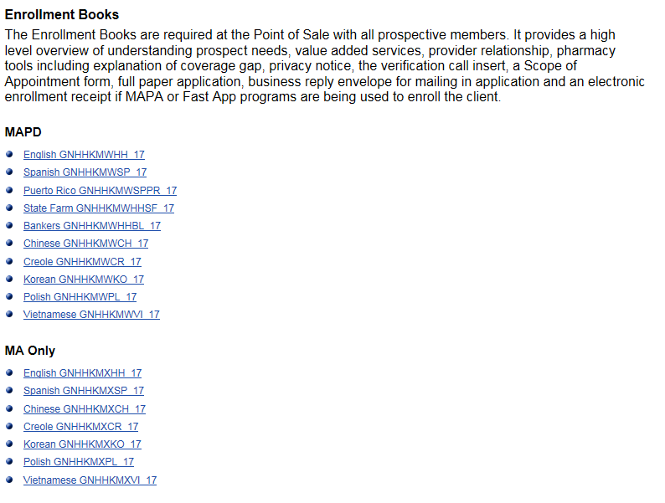
8562 | GNHH4C1HH_18 FLIPBOOK - 2018 SALES, PDP ENGLISH, Individual Medicare | http://apps.humana.com/marketing/documents.asp?file=3143881
8562 | GNHH4C1SP_18 FLIPBOOK - 2018 SALES, PDP SPANISH, Individual Medicare | http://apps.humana.com/marketing/documents.asp?file=3161652
Sales All in One Enrollment Brochure/Book-MAPD version POD
8563 | GNHHKMWHH_18 BOOK - 2018 ENROLLMENT, MAPD, ENGLISH, Individual Medicare | http://apps.humana.com/marketing/documents.asp?file=3159936
8563 | GNHHKMWHHSF_18 BOOK - 2018 ENROLLMENT, MAPD, ENGLISH, STATE FARM, Individual Medicare | Coming soon
8563 | GNHHKMWHHBL_18 BOOK - 2018 ENROLLMENT, MAPD, ENGLISH, BANKERS, Individual Medicare | Coming soon
8563 | GNHHKMWSP_18 BOOK - 2018 ENROLLMENT, MAPD, SPANISH, Individual Medicare | http://apps.humana.com/marketing/documents.asp?file=3197259
8563 | GNHHKMWSPPR_18 BOOK - 2018 ENROLLMENT, MAPD, PUERTO RICO SPANISH, Individual Medicare | http://apps.humana.com/marketing/documents.asp?file=3197272
8563 | GNHHKMWCH_18 BOOK - 2018 ENROLLMENT, MAPD, CHINESE, Individual Medicare | Coming soon
8563 | GNHHKMWCR_18 BOOK - 2018 ENROLLMENT, MAPD, CREOLE, Individual Medicare | Coming soon
8563 | GNHHKMWKO_18 BOOK - 2018ENROLLMENT, MAPD, KOREAN, Individual Medicare | Coming soon
8563 | GNHHKMWPL_18 BOOK - 2018 ENROLLMENT, MAPD, POLISH, Individual Medicare | Coming soon
8563 | GNHHKMWVI_18 BOOK - 2018 ENROLLMENT, MAPD, VIETNAMESE, Individual Medicare | Coming soon
Sales All in One Enrollment Brochure/Book- MA version POD
8563 | GNHHKMXHH_18 BOOK - 2018ENROLLMENT, MA ONLY, ENGLISH, Individual Medicare | http://apps.humana.com/marketing/documents.asp?file=3160573
8563 | GNHHKMXSP_18 BOOK - 2018 ENROLLMENT, MA ONLY, SPANISH, Individual Medicare | http://apps.humana.com/marketing/documents.asp?file=3197285
8563 | GNHHKMXCH_18 BOOK - 2018 ENROLLMENT, MA ONLY, CHINESE, Individual Medicare | Coming soon
8563 | GNHHKMXCR_18 BOOK - 2018 ENROLLMENT, MA ONLY, CREOLE, Individual Medicare | Coming soon
8563 | GNHHKMXKO_18 BOOK - 2018ENROLLMENT, MA ONLY, KOREAN, Individual Medicare | Coming soon
8563 | GNHHKMXPL_18 BOOK - 2018 ENROLLMENT, MA ONLY, POLISH, Individual Medicare | Coming soon
8563 | GNHHKMXVI_18 BOOK - 2018 ENROLLMENT, MA ONLY, VIETNAMESE, Individual Medicare | Coming soon
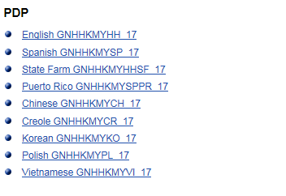
Sales All in One Enrollment Brochure/Book- PDP version POD
8563 | GNHHKMYHH_18 BOOK - 2018 ENROLLMENT, PDP, ENGLISH, Individual Medicare | http://apps.humana.com/marketing/documents.asp?file=3160391
8563 | GNHHKMYSP_18 BOOK - 2018 ENROLLMENT, PDP, SPANISH, Individual Medicare | http://apps.humana.com/marketing/documents.asp?file=3197285
8563 | GNHHKMYHHSF_18 BOOK - 2018 ENROLLMENT, PDP, ENGLISH, STATE FARM, Individual Medicare | Coming soon
8563 | GNHHKMYSPPR_18 BOOK - 2018 ENROLLMENT, PDP, PUERTO RICO, Individual Medicare | http://apps.humana.com/marketing/documents.asp?file=3197311
8563 | GNHHKMYCH_18 BOOK - 2018 ENROLLMENT, PDP, CHINESE, Individual Medicare | Coming soon
8563 | GNHHKMYCR_18 BOOK - 2018 ENROLLMENT, PDP, CREOLE, Individual Medicare | Coming soon
8563 | GNHHKMYKO_18 BOOK - 2018ENROLLMENT, PDP, KOREAN, Individual Medicare | Coming soon
8563 | GNHHKMYPL_18BOOK - 2018 ENROLLMENT, PDP, POLISH, Individual Medicare | Coming soon
8563 | GNHHKMYVI_18 BOOK - 2018 ENROLLMENT, PDP, VIETNAMESE, Individual Medicare | Coming soon
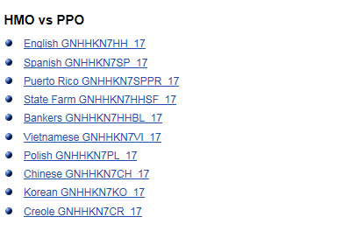
Sales POP Brochures- PPO (10 vers)
8562 | GNHHKN7HH_18 BROCHURE - 2018 PPO, ENGLISH, Individual Medicare | http://apps.humana.com/marketing/documents.asp?file=3135860
8562 | GNHHKN7HHSF_18 BROCHURE - 2018 HMO vs. PPO ENGLISH, STATE FARM, Individual Medicare | http://apps.humana.com/marketing/documents.asp?file=3135886
8562 | GNHHKN7HHBL_18 BROCHURE - 2018 HMO vs. PPO ENGLISH, BANKERS, Individual Medicare | http://apps.humana.com/marketing/documents.asp?file=3135873
8562 | GNHHKN7SP_18 BROCHURE - 2018 HMO vs. PPO, SPANISH , Individual Medicare | http://apps.humana.com/marketing/documents.asp?file=3148496
8562 | GNHHKN7SPPR_18 BROCHURE - 2018 HMO vs. PPO, PUERTO RICO SPANISH , Individual Medicare | http://apps.humana.com/marketing/documents.asp?file=3158272
8562 | GNHHKN7VI_18 BROCHURE - 2018 HMO vs. PPO, VIETNAMESE, Individual Medicare | http://apps.humana.com/marketing/documents.asp?file=3158285
8562 | GNHHKN7PL_18 BROCHURE - 2018 HMO vs. PPO, POLISH, Individual Medicare | http://apps.humana.com/marketing/documents.asp?file=3158246
8562 | GNHHKN7CH_18BROCHURE - 2018 HMO vs. PPO, CHINESE, Individual Medicare | http://apps.humana.com/marketing/documents.asp?file=3158155
8562 | GNHHKN7KO_18 BROCHURE - 2018 HMO vs. PPO, KOREAN, Individual Medicare | http://apps.humana.com/marketing/documents.asp?file=3158233
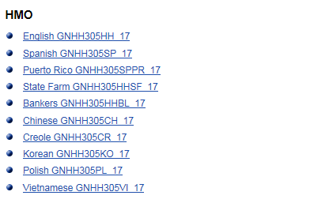
8562 | GNHHKN7CR_18BROCHURE - 2018 HMO vs. PPO, CREOLE, Individual Medicare | http://apps.humana.com/marketing/documents.asp?file=3158181
Sales POP Brochures- HMO (10 vers)
8562 | GNHH305HH_18BROCHURE - 2018 HMO, ENGLISH, Individual Medicare | http://apps.humana.com/marketing/documents.asp?file=3135821
8562 | GNHH305HHSF_18 BROCHURE - 2018 HMO, ENGLISH, STATE FARM, Individual Medicare | http://apps.humana.com/marketing/documents.asp?file=3135847
8562 | GNHH305HHBL_18 BROCHURE - 2018HMO, ENGLISH, BANKERS, Individual Medicare | http://apps.humana.com/marketing/documents.asp?file=3135834
8562 | GNHH305SP_18BROCHURE - 2018 HMO, SPANISH, Individual Medicare | http://apps.humana.com/marketing/documents.asp?file=3148483
8562 | GNHH305SPPR_18 BROCHURE - 2018 HMO, PUERTO RICO SPANISH, Individual Medicare | http://apps.humana.com/marketing/documents.asp?file=3158129
8562 | GNHH305CH_18 BROCHURE - 2018 HMO, CHINESE, Individual Medicare | http://apps.humana.com/marketing/documents.asp?file=3158025
8562 | GNHH305CR_18 BROCHURE - 2018 HMO, CREOLE, Individual Medicare | http://apps.humana.com/marketing/documents.asp?file=3158038
8562 | GNHH305KO_18 BROCHURE - 2018 HMO, KOREAN, Individual Medicare | http://apps.humana.com/marketing/documents.asp?file=3158090
8562 | GNHH305PL_18 BROCHURE - 2018 HMO, POLISH, Individual Medicare | http://apps.humana.com/marketing/documents.asp?file=3158103
8562 | GNHH305VI_18 BROCHURE - 2018 HMO, VIETNAMESE, Individual Medicare | http://apps.humana.com/marketing/documents.asp?file=3158142

Forms
8566 | GHHJPGTEN_18 FLYER - 2018 Scope of Appointment, ENGLISH, Individual Medicare | http://apps.humana.com/marketing/documents.asp?file=3159858
8566 | GHHJPGTSP_18 FLYER - 2018 Scope of Appointment, SPANISH, Individual Medicare | http://apps.humana.com/marketing/documents.asp?file=3161119
 | GHHJPGTCH_18 FLYER - 2018 Scope of Appointment, CHINESE, Individual Medicare | http://apps.humana.com/marketing/documents.asp?file=3161743
 | GNA06DIHH FLYER - 2017 Medical Authorization Form, ENGLISH, Individual Medicare | N/A
 | GNA06DIHH_RS FLYER - 2017 Medical Authorization Form, SPANISH, Individual Medicare | N/A
Other
 | GHA0841HH_18 2018 Sales Experience snapshot, ENGLISH, Individual Medicare | http://apps.humana.com/marketing/documents.asp?file=2009475
 | GHHJ8SNEN, PHI Consent Letter, ENGLISH, Individual Medicare | http://apps.humana.com/marketing/documents.asp?file=3128385
 | GHHJ8SNSP, PHI Consent Letter, SPANISH, Individual Medicare | http://apps.humana.com/marketing/documents.asp?file=3161353
 | GHHJXZ9EN PrescribeIT Career Booklet ENG | http://apps.humana.com/marketing/documents.asp?file=3160781
 | GHHJXZAEN PrescribeIT Delegated Booklet ENG | http://apps.humana.com/marketing/documents.asp?file=3160794
 | GHHJXZBEN | http://apps.humana.com/marketing/documents.asp?file=3160807
 | GHHJXZCEN | http://apps.humana.com/marketing/documents.asp?file=3160820
 | GNHJXA6EN | http://apps.humana.com/marketing/documents.asp?file=3142347
 | GHHJXEJEN | http://apps.humana.com/marketing/documents.asp?file=3142256
 | FLHJXEFEN | http://apps.humana.com/marketing/documents.asp?file=3142243
 | GNHJXELEN | http://apps.humana.com/marketing/documents.asp?file=3142360
 | FLHJX9ZEN Delegated Member Booklet - FL ENG | http://apps.humana.com/marketing/documents.asp?file=3142191
 | FLHJX83EN Career Member Booklet - FL ENG | http://apps.humana.com/marketing/documents.asp?file=3142204
 | FLHJX84EN | http://apps.humana.com/marketing/documents.asp?file=3142217
 | FLHJXA3EN | http://apps.humana.com/marketing/documents.asp?file=3142230
 | GNHJX7LEN Career Member Booklet - Non-FL ENG | http://apps.humana.com/marketing/documents.asp?file=3142269
 | GNHJX7QEN | http://apps.humana.com/marketing/documents.asp?file=3142282
 | GNHJX7ZEN | http://apps.humana.com/marketing/documents.asp?file=3142295
 | GNHJX9XEN Delegated Member Booklet - Non-FL ENG | http://apps.humana.com/marketing/documents.asp?file=3142308
 | GNHJXA2EN | http://apps.humana.com/marketing/documents.asp?file=3142321
 | GNHJXA4EN | http://apps.humana.com/marketing/documents.asp?file=3142334
 | OTC form English | http://apps.humana.com/marketing/documents.asp?file=2289365
 | OTC form Spanish | http://apps.humana.com/marketing/documents.asp?file=2289391

